How To Filter & Register
Step 1
To register for a course, simply click on the "Registration Form" link in Column H (the right hand side of the MHA Edu & PD Opportunities tab). If you encounter any difficulties with the links, please contact the Education & PD Deptartment via the shared mailbox: mhatraining@gov.pe.ca. By using the arrows on the top title column, you can filter the trainings session name and by delivery format, time commitment, location, or upcoming dates. | Video - How to Filter and Register
To filter the Excel sheet by Session name: 1) Click on the small white box in the bottom right-hand corner of Column C. 2) Click in the square beside "Select All" to unselect all the sessions. 3) Click on the small white box beside the session you are interested in registering for. 4) Click "OK" or "Apply".

Step 2

Step 3

Step 4

Cancellation Instructions
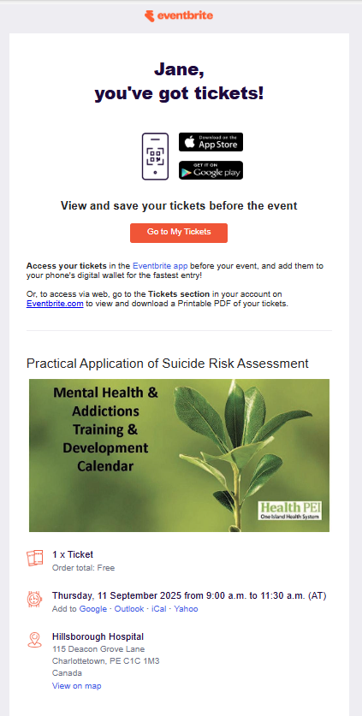
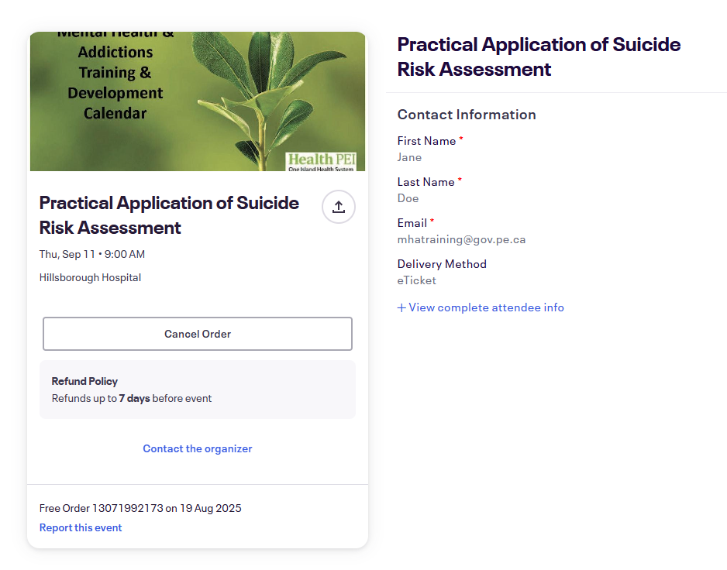
Cancellation Process: If you are unable to attend a training session, you are responsible for cancelling your registration in advance via Eventbrite (or email mhatraining@gov.pe.ca if experiencing difficulties with Eventbrite). If cancelling the day of the training session, staff must email mhatraining@gov.pe.ca and also notify their direct supervisor, including the reason for not attending. When emailing mhatraining@gov.pe.ca, please ensure your subject line is: "REGRETS - unable to attend education session" To cancel your registration via Eventbrite, please go to the email that was sent when you registered. You will see the following: | Note: When a staff member cancels their registration less than 24 hours in advance or is a ‘no show’ to the session, the Education & Professional Development Department will email the staff member's direct supervisor to inform them.
1) |  | 2)

Step 1
 | Click on "Go to My Tickets". The following will open where you can cancel your order.

Step 2

 |  |  | Click on 'Cancel Order".

